Summary
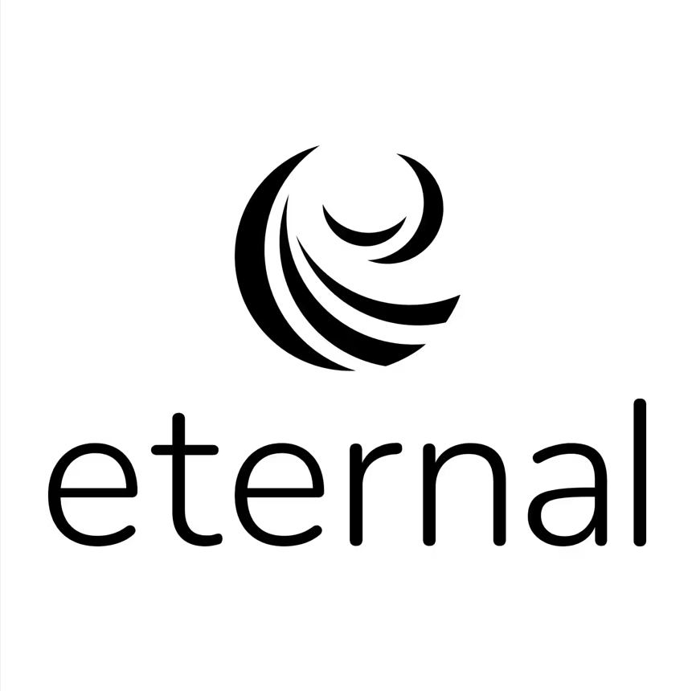
Report Summary

Report Period | 01 May 2025 - 31 May 2025
Res id | 20797557
MID | 292564
Legal Entity | DALGREEN FOODS PRIVATE LIMITED
Res Name | Dosa Coffee
Address | Ground Floor,Unit No.G006,,PREMISES NO.11/1,SARAT BOSE ROAD,KOLKATA,Kolkata,West Bengal-700020, Kolkata, West Bengal
PAN | AACCV3123G
GSTIN | 19AACCV3123G1ZI
TAN Number | CALD13037D
Pay-out cycle | Weekly (Every Wednesday)
Zomato GSTIN - TCS | 19AADCD4946L1CI
Zomato GSTIN - Regular | 19AADCD4946L1Z7
Total Orders (Delivered + Cancelled/ Rejected) | 360
Net Pay-out (Settled + Unsettled) | ₹73,613.38
Bank UTR | CITIN25574888810,CITIN25569696635,CITIN25564155815,CITIN25561329457

Report Detailed Breakdown
This report comprises the following detailed tabs regarding your pay-out:
Tab Name | Description
Pay-out Breakup | Breakup of your total earnings during this report period
Distance Based Summary | Summary of order level deductions by distance buckets
Order Level | Detailed view of your order level earnings, deductions, pay-outs and UTRs for settled orders.
Addition/Deductions Details | Summarized view on : 1. Res id level additions like 194 H, etc 2. Res id level deductions like pay later, etc
Discounts Summary | View of the different discounts running on your restaurant during this report period
Glossary | Descriptions of the terms used in the Order Level tab

